Sheet1
5: Calculate
a)

resultado | 2.186667587
comando | sin(7*PI()/9)/(cos(5*PI()/7)^2) + (1/7)*(tan(5*PI()/12))
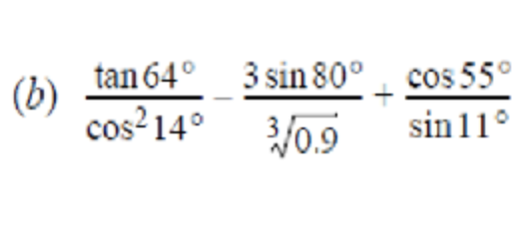
b)

resultado | 128.63984
comando | tan(64)/(cos(14)^2) - (3*sin(80))/(0.9^(1/3)) + (cos(55))/(sin(11))

6: Defina the variable x as x=2.34, then evaluate
x= | 2.34

a= | 73.22584672 | b= | 26.0344566
comando a | tan(64)/(cos(14)^2) - (3*sin(80))/(0.9^(1/3)) + (cos(55))/(sin(11))
comando b | EXP(2*B23)/SQRT(14 + B23^2 - B23)

7: Define the variable t as t=6.8, then evaluate

t | 6.8
a | 5.591703142
b | -4.212216188
comando a | LN(ABS(B39^2-B39^3))
comando b | 75/(2*B39) * COS(0.8*B39 - 3)

8. Define the variablesx and y as x=8.3 and y=2.4, then evaluate

x | 8.3
y | 2.4
a | 62.68993056
b | 2.17407046
comando a | B52^2 + B53^2 - (B52^2)/(B53^2)
comando b | SQRT(B52*B53) - SQRT(B52+B53) + ((B52-B53)/(B52-(2*B53)))^2 - SQRT(B52/B53)

